INCPROG
PROCEEDINGS OF THE MANDAL EDUCATIONAL OFFICER, MP, G.L.PURAM MANDAL
PRESENT: SRI B.CHANDRA SEKHAR

Progs Rc.No: 05/MEO/Increments |  |  |  |  |  |  | Date: | 21.07.2023

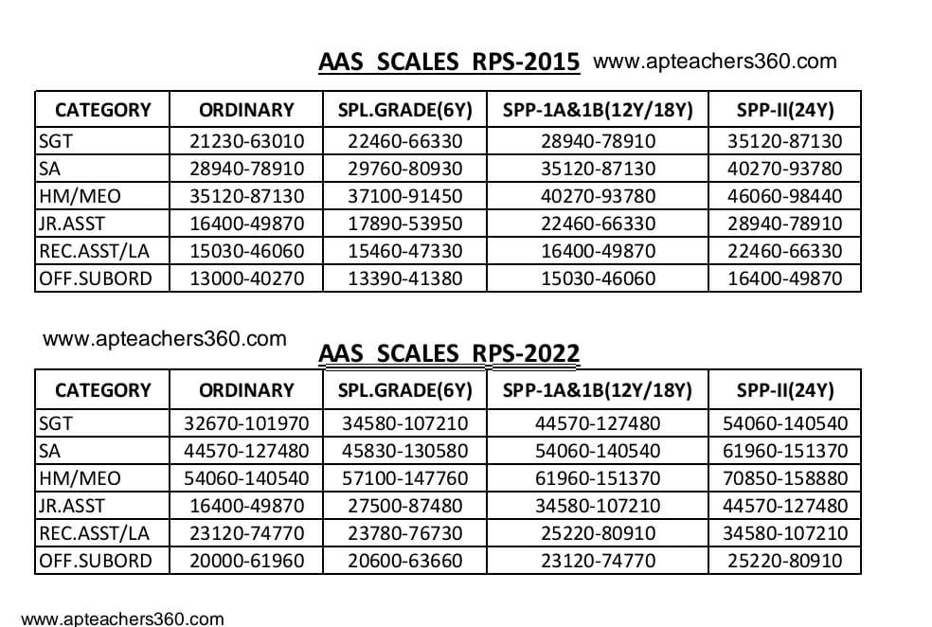
 |  | Sub: | Establishment - School Education - Mandal Parishad - G.L.Puram - Sanction of Annual Grade Increments of certain teachers/staff working under this office - Orders - Issued.
 |  | Ref: | 1) GO.MS.No.40, Dated.07-05-2002
 |  |  | 2) GO.MS.No.133, Dated.02-05-1974
 |  |  | 3) Application of the Individual, Dated.________

@ @ @
 | Order:
In pursuance of the above sub.& ref. ,the under mentioned teachers working under my control have submitted their proposals for sanction of Annual Grade Increments vide Ref.3.

Hence as per the powers delegated me vide Ref. 1 and 2 the Incumbents are hereby sanctioned their Annual grade increments as per the annexure shown below.

However the Incumbents are eligible to get their monitory benefit from the first date of month vide ref.2.

The same may be entered in the original Service Register of the Incumbents.

ANNEXURE
Sl.No | CFMS ID | Name of the Employee | Place of Working | Designation | Scale of Pay | Present Pay | Rate of Increment | Future Pay | w.e.f
1 | 14342258 | SRINIVAS ADIVANNA | GPS PENGUVA | PSHM | 54060-140540 | 72810 | 1960 | 74770 | 01.07.2023
2 | 14346223 | SATYA KUMAR SANJEEVI BONELA | GPS MULABINNIDI | PSHM | 54060-140540 | 72810 | 1960 | 74770 | 01.07.2023
3 | 14344471 | MANIMALA NANDEDA | MPPS DIGUVADERUVADA | PSHM | 54060-140540 | 72810 | 1960 | 74770 | 01.07.2023
4 | 14344502 | LAKSHMI NARENDRUNI | MPPS JARNA | PSHM | 54060-140540 | 74770 | 1960 | 76730 | 01.07.2023
It is informed that if any excess amount paid during sanction the excess amount will be recovered from the individual.

